1. Title Page
[Achievement 4]

Project Name: Instacart Grocery Basket Anaylsis
Date: 05/12/2024
Analyst Name: Paul Maden

Contents:
Population Flow
Consistency checks
Wrangling steps
Column derivations
Visualizations
Recommendations

CareerFoundry Data Sets:

Customers Data Set.

Instacart Data Sets:

Data Dictionary.

Citation (required in your final report): “The Instacart Online Grocery Shopping
Dataset 2017”, Accessed from www.instacart.com/datasets/grocery-shopping-2017 via
Kaggle

2. Population Flow
Title page

Population flow

Exclusion flag
Condition: max_order <
Obervations to be removed:
Final total count of order_products_all:

Orders_products_combined
Orders_products_merged
Orders_products_all

Total: 32404859
Total: 32434489
Total: 32404859

1.) The grey boxes in the first row of the population flow represent the original data sets as they were when you downloaded them. In the Total fields you need to add the count of the rows when you imported the data set into Jupyter.
2.) The second row of boxes (coloured) represents the data sets after you manipulated them, e.g., removed missing values and duplicates. In the Total fields you need to add the count of the rows after conducting these operations. This offers a visual oveview of how the data flows throughout the data consistency checks.
3.) The third row, where also the arrows are coloured, represents the merges you performed between the datasets. In the Total fields you need to add the count of the rows in the merged datasets, so that you end up with the final dataset (in the red box). Keep in mind the final dataset should be without exclusions (based on the exclusion flag).

3. Consistency checks
 |  |  |  | Title page
Consistency checks

Dataset | Missing values | Missing values treatment | Duplicates
orders | days_since_prior_order, 206,209 missing value (3,421,083 - 3,214,874 = 206,209). | Create subset of the dataframe that contains the nulls, then impute the NaN values with 0 values. Because as you guess these orders are the customers' first orders (think like there were zero days prior orders were made). | No duplicates found
products | product_name, 16 isnull() | Removed 16 | 5 duplicates dropped
orders_products_prior | - | - | No duplicates found
customers | first_name and last_name | Removed due to PII | No duplicates found

4. Wrangling steps
 |  |  |  | Title page
Wrangling steps

Columns dropped | Columns renamed | Columns' type changed | Comment/Reason
eval_set |  |  | not required for analysis
 | order_dow |  | changed to 'order_day_of_week' for clarity
_merge |  |  | once checked, not required for analysis
 | days_since_prior_order |  | changed to 'days_since_last_order' for clarity
FIRST_NAME |  |  | to ensure compliance with data privacy regulations
surnam |  |  | to ensure compliance with data privacy regulations
 | STATE |  | changed to 'state' for case consistency
 | Age |  | changed to 'age' for case consistency
 | Gender |  | changed to 'gender' for case consistency
 |  | user_id | changed to string
 |  | order_id | changed to string
 | n_dependents |  | changed to num_dependents for clarity
 |  | departments | changed to string
 | index |  | added index title column

5. Column derivations

 |  |  |  |  |  |  | Title page

Column derivations and aggregations

In this tab you should add tables below that the frequences of flags/label variables that you produced after deriving them. NB: don't do this for continuous variables, only for flags.
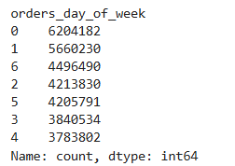
 | Dataset | New column | Column/s it was derived from | Conditions
1 | ords_prods_merge | price_range | prices | if prices <= 5: return Low-range product if prices > 5 and <= 15): return Mid-range product if prices > 15: return High range | Origin | 1 |  | 2
2 | ords_prods_merge | busiest_day | orders_day_of_week | 0 = Saturday (busiest day), 4 = Wednesday (least busiest day), other days = regular busiest days
3 | ords_prods_merge | busiest_days | orders_day_of_week | 0, 1 = Saturday, Sunday (busiest days); 3, 4 = Tuesday, Wednesday (least busiest days), other days = regular busiest days
4 | ords_prods_merge | busiest_period_of_day | order_hour_of_day
5 | ords_prods_merge | max_order | user_id, order_number | the maximum frequency of the “order_number” grouped by customer
 | ords_prods_merge | loyalty_flag | max_order | if max_order <= 10: return new customer if max_order > 10 and <= 40): return regular customer if max_order > 40: return Loyal customer | 3 | 4 |  | 5
6 | ords_prods_merge | average_spend | user_id, prices | mean of the prices of products purchased by a user
 | ords_prods_merge | spender_flag | average_spend | If average_spend <10: return Low spender. If average_spend >10: return High spender
7 | ords_prods_merge | order_median_gap | user_id, days_since_last_order | returns the median 'days_since_prior_order' and groups by user_id
 | ords_prods_merge | customer_frequency | order_median_gap | if days_since_last_order > 20: return Non-frequent customer if days_since_last_order > 10 and <= 20): return Regular customer if days_since_last_order <= 10: return Frequent customer | 6 | 7 |  | 8

8 | ords_prods_merge | region | state | Group states into regions (e.g., NY -> Northeast, CA -> West).
9 | ords_prod_merge | exclusion_flag | max_order | flag customers with less than 5 orders, so that I can exclude the low-activity (flagged as 'exclude')
10 | ords_prod_merge | age_group | age | Categorize ages: 18–25 -> Young Adults, 26–35 -> Adults, 36–50 -> Middle-Aged Adults, 51+ -> Seniors.
 | ords_prod_merge | income_group | income | income <= 67,290: Low Income 67,291 <= income <= 96,769: Lower-Middle Income 96,770 <= income <= 128,102: Upper-Middle Income 128,103 <= income <= 200,000: High Income income > 200,000: Very High Income

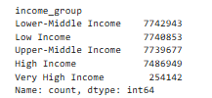
11 |  |  |  |  | 9 | 10 |  | 11
12 | ords_prod_merge | dependents_profile | num_dependents | If number of dependents > 0, then 'Has dependents'. If number of dependents <= 0, then 'No dependents'

 |  |  |  |  | 12

6. Visualizations
 | Title page

Visualisations

In this tab you should include all the visualtions from Exercises 4.9 and 4.10, alongside the questions from the project brief that they answer. Include any commentary on the relationship between different variables.

1. The sales team needs to know what are the busiest days of the week and hours of the day are (i.e. the days and times with the most orders) in order to schedule ads at times when there are fewest orders?

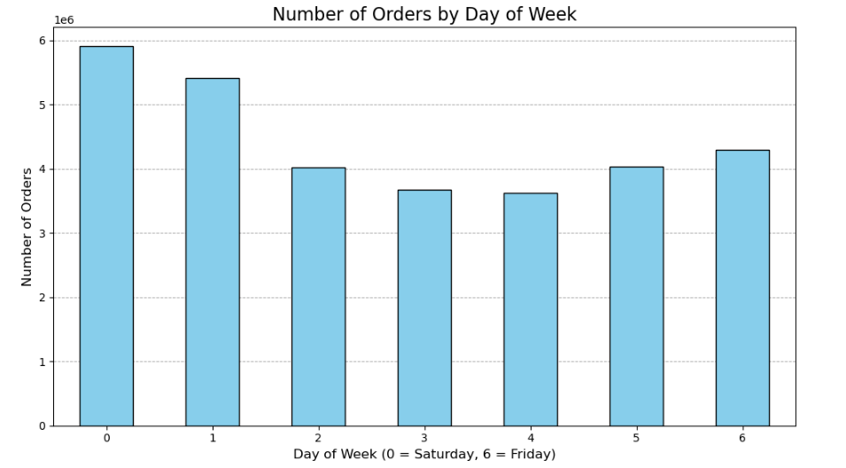
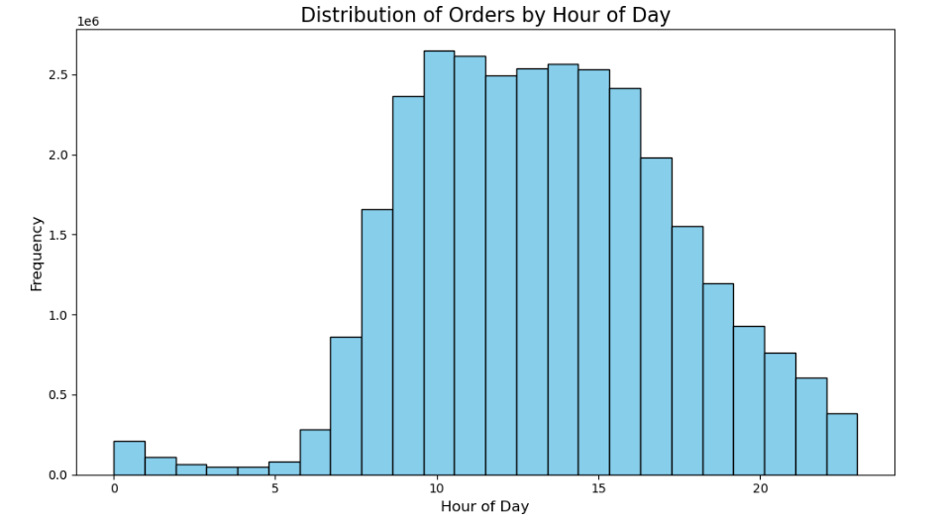
The charts identify the busiest days (Sunday and Monday) and hours (10 AM to 3 PM) for orders, helping the sales team target less busy times (early morning or late evening on weekdays) for scheduling ads.

2. They also want to know whether there are particular times of the day when people spend the most money, as this might inform the type of products they advertise at these times?

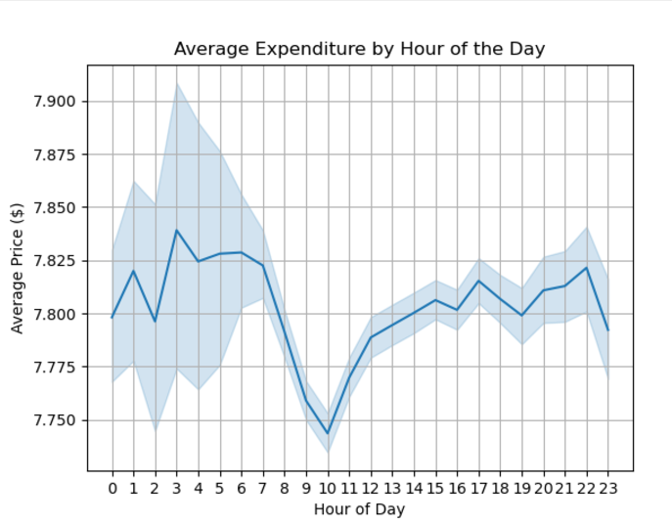
The chart shows that average expenditure is slightly higher during late-night hours (2–5 AM) and evening (8–10 PM), helping the sales team target premium product ads during these times.

3. Instacart has a lot of products with different price tags. Marketing and sales want to use simplier price range groupings to help direct their efforts?
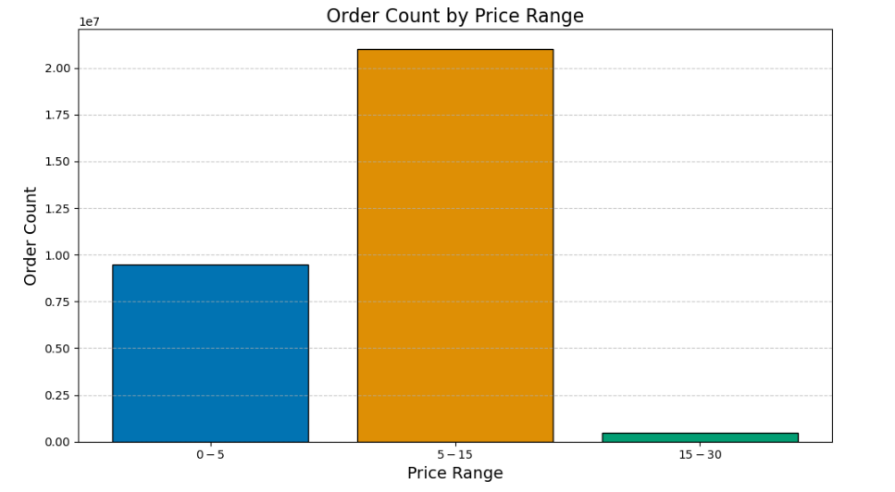
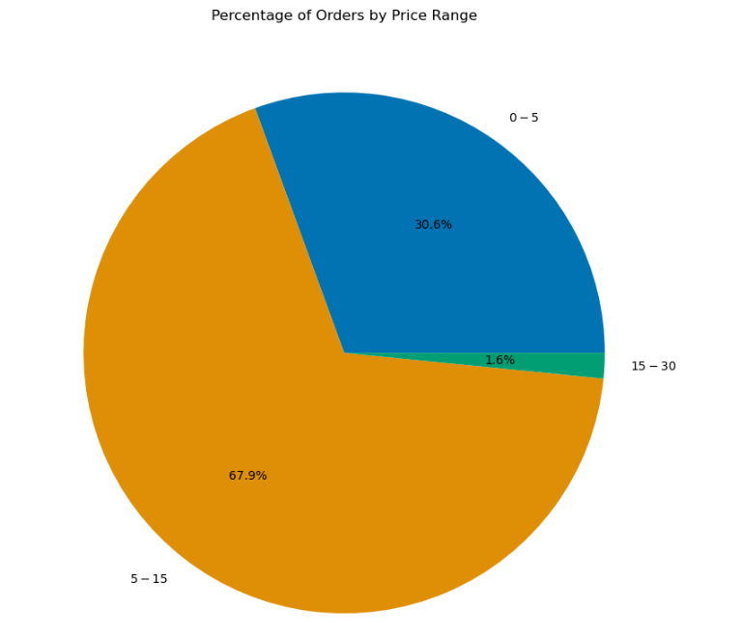
The charts reveal that most orders fall within the $5–$15 price range, guiding marketing and sales to focus efforts on promoting mid-priced products while considering strategies for the lower and higher price ranges.

4. Are there certain types of products that are more popular than others? The marketing and sales teams want to know which departments has the highest frequency of product orders?

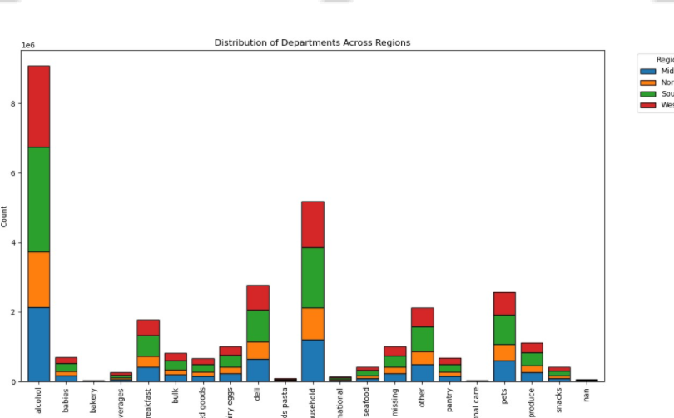
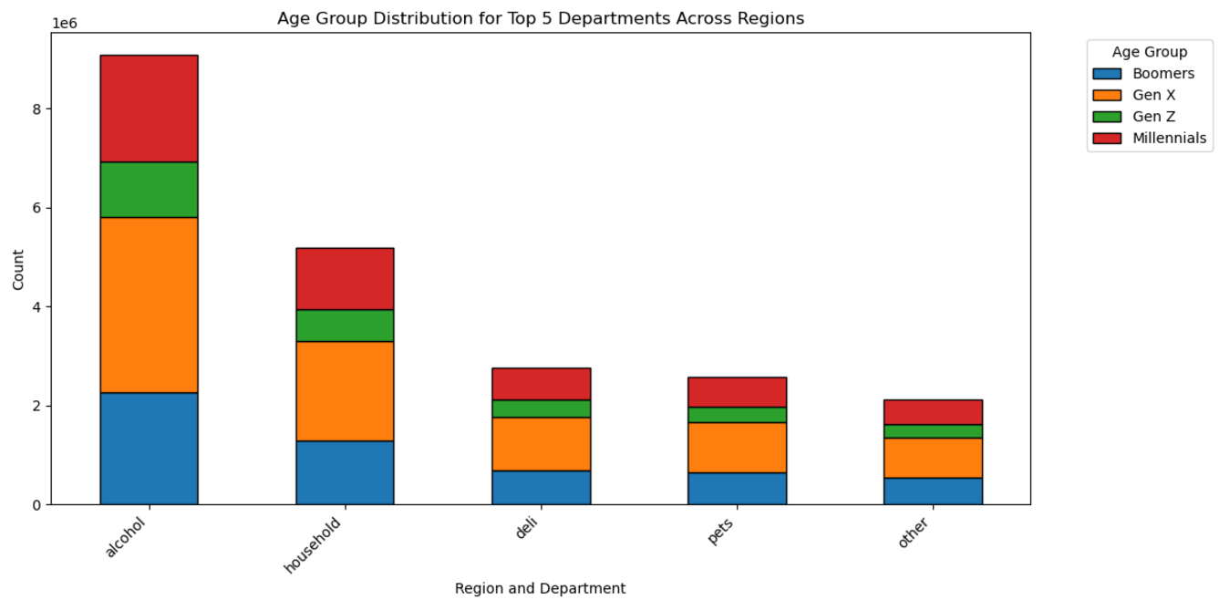
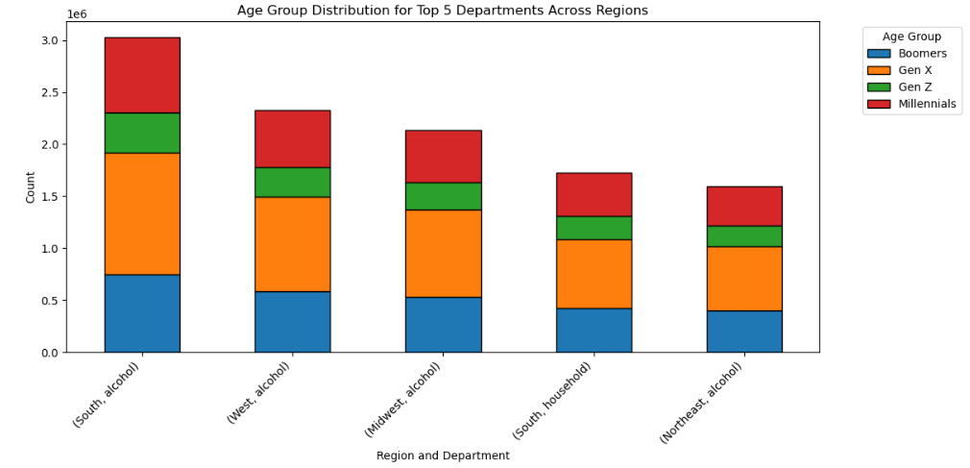
The charts highlight that the "alcohol" and "household" departments have the highest frequency of product orders, with regional and age group variations informing targeted marketing strategies.

5. The Marketing and sales teams want to know are there differences in ordering habits based on a customers loyalty status?

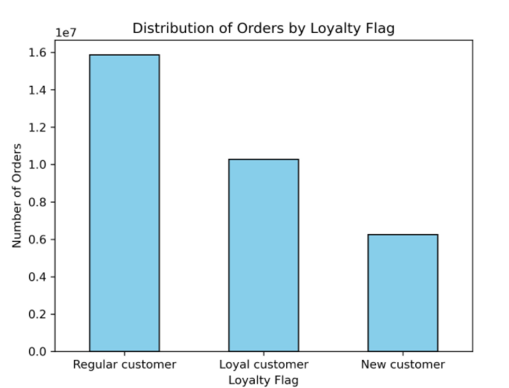
The chart shows that regular customers place the highest number of orders, followed by loyal customers, while new customers place the fewest, highlighting distinct patterns in ordering habits based on loyalty status.

6. Is there a connection between age and family status in terms of ordering habits?
The charts demonstrate that ordering habits vary by age and family status, with married individuals and those living with dependents showing consistent frequency across all age groups, suggesting a strong connection between family structure and ordering behavior.
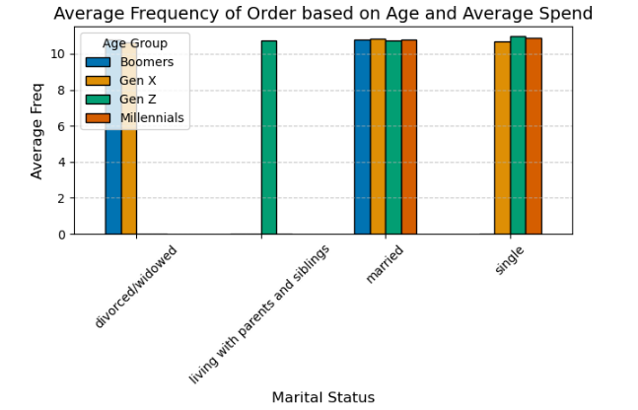
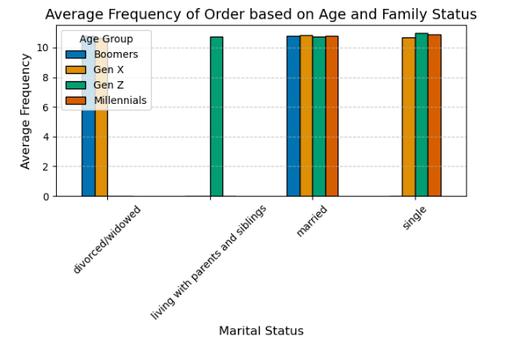
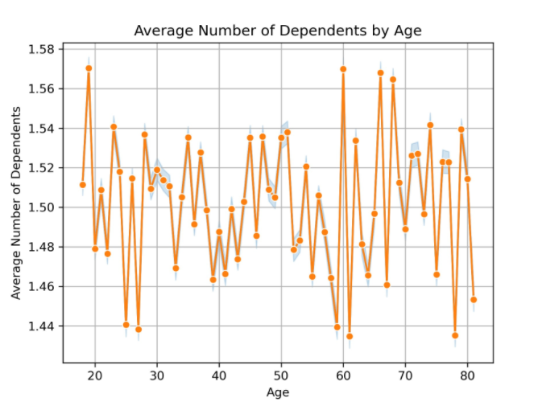

7. Are there differences in ordering habits based on a customer’s region?
The charts indicate regional differences in ordering habits, with the South having the highest number of orders and distinct preferences for departments like alcohol and household products, guiding region-specific marketing strategies.
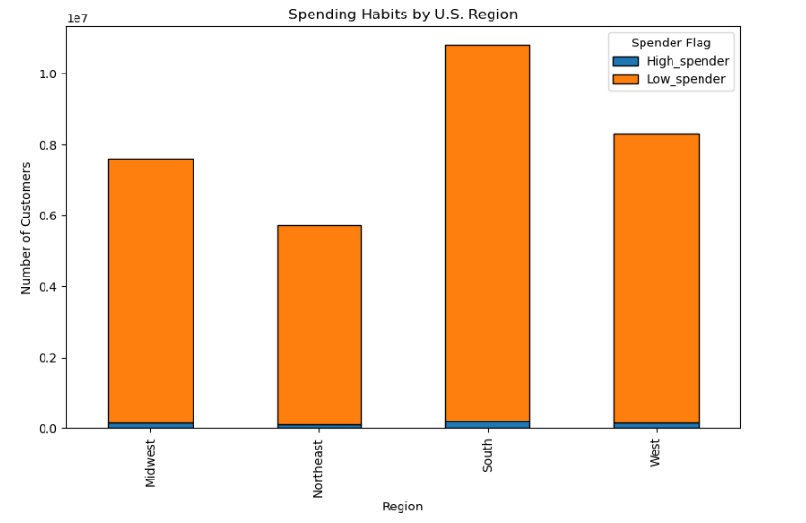
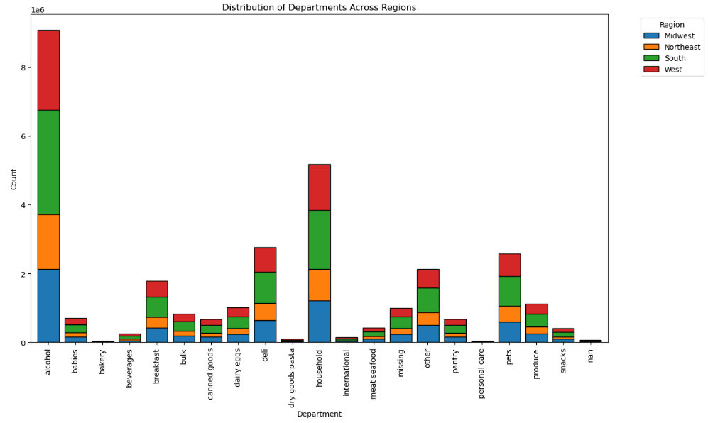

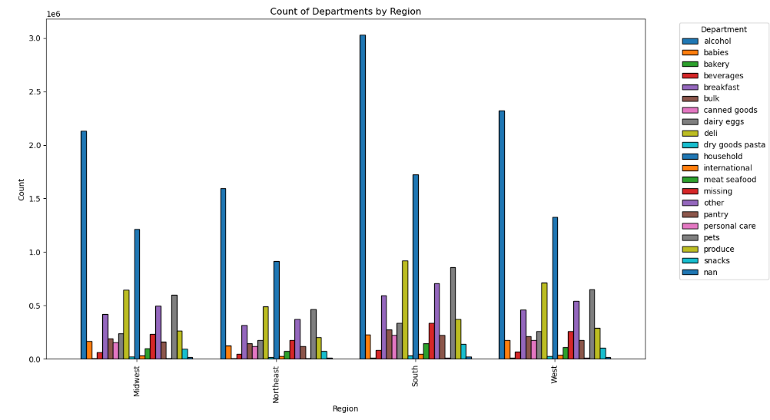
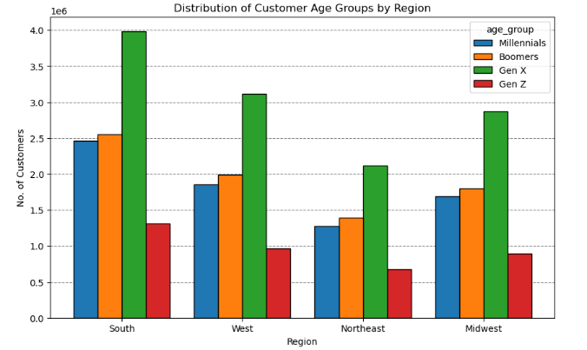
The charts highlight differences in ordering habits by region, with the South and Midwest showing higher demand for specific departments like alcohol and household products, and regional variations in age group distributions influencing these preferences.

 |  | Key:

8. What different classifications does the demographic information suggest? Age? Income? Certain types of goods? Family status?

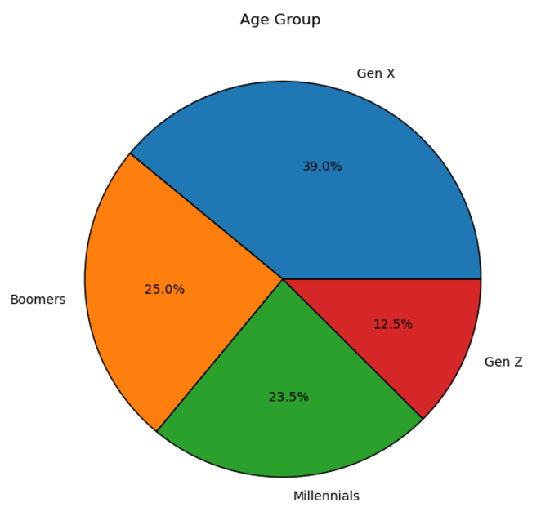
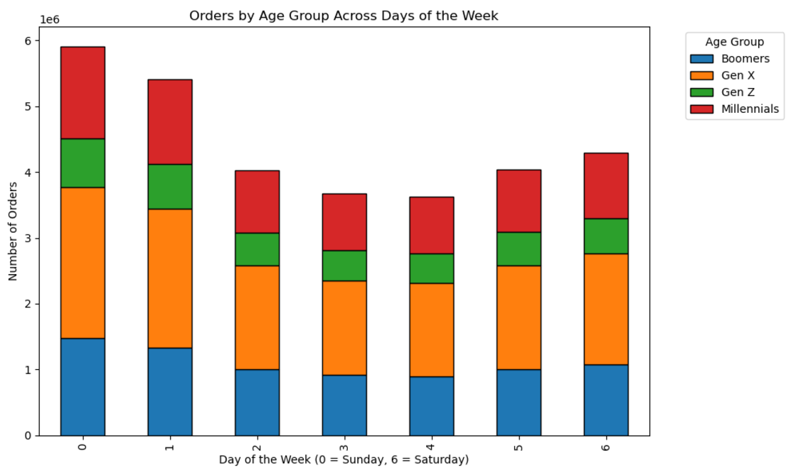
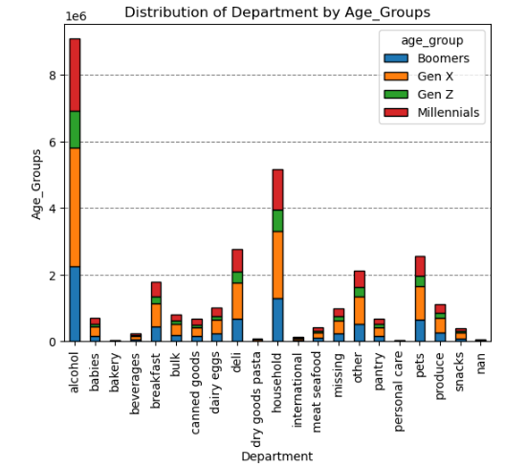
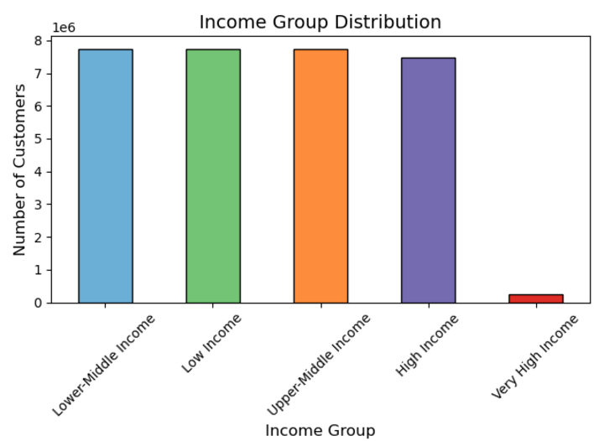
The charts suggest demographic classifications based on age (e.g., Gen X as the largest group), income levels (predominantly middle-income groups), preferred goods (e.g., alcohol and household items), and family status, enabling targeted marketing strategies.

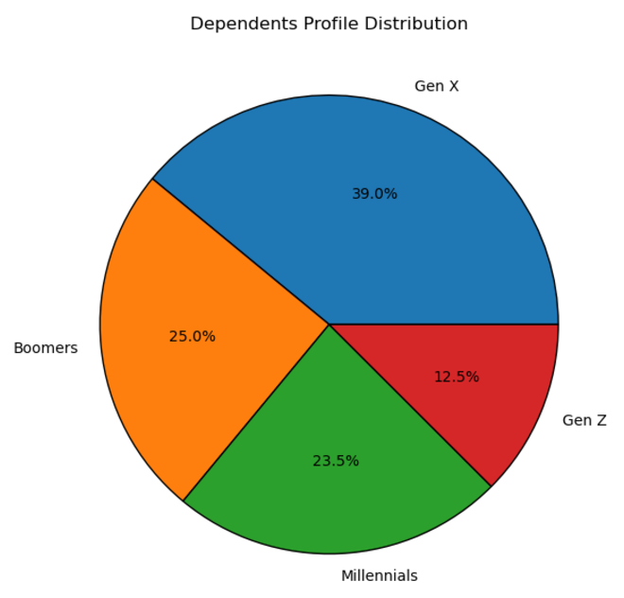
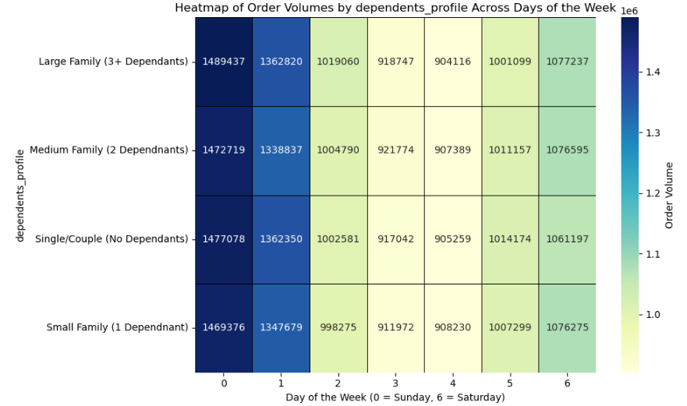
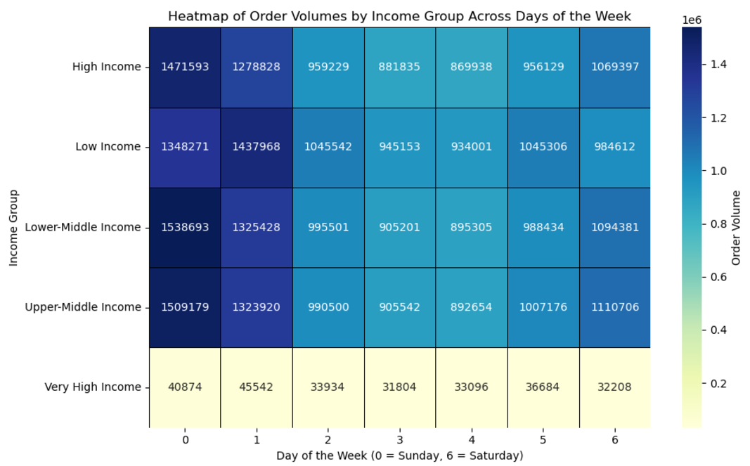
The charts suggest classifications based on dependents (e.g., large families ordering most on weekends), income (e.g., middle-income groups as the majority), and days of the week, helping identify trends in family-oriented and income-specific purchasing behaviors.

9. What differences can you find in ordering habits of different customer profiles? consider the price of orders, frequency of orders, products customers are ordering, and anything else you can think of?
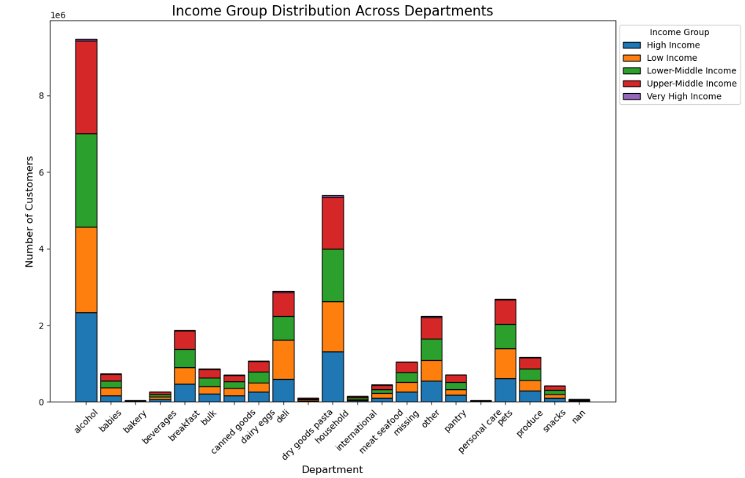
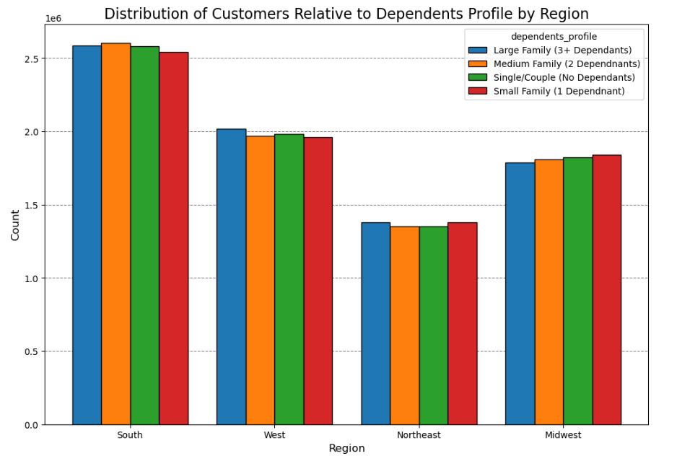
The charts show that customer profiles vary in ordering habits, with large families favoring household and alcohol items, low- and middle-income groups contributing most orders, and regional preferences influencing order volumes and product types.

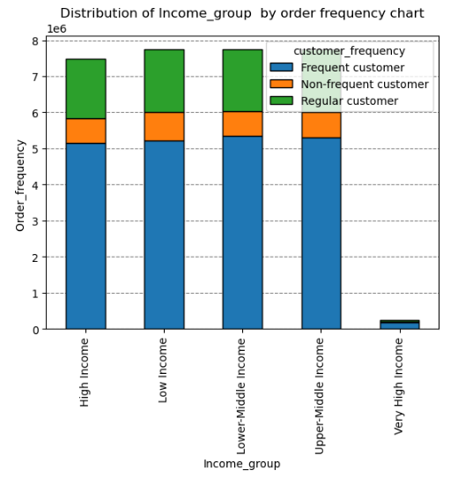
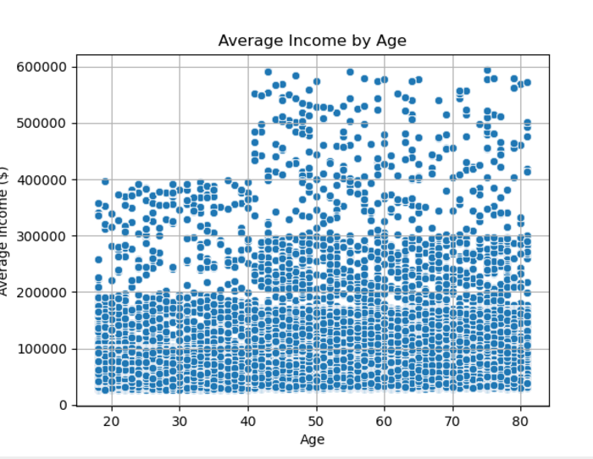
The charts highlight that frequent customers are most common across all income groups, with lower- and middle-income groups dominating, and show that average income generally increases with age, influencing purchasing power and order frequency trends.

7. Recommendations
 | Title page

Recommendations

In this tab you should include any recommendations you would made to Instcart in terms of their marketing strategy based on the questions posed in the brief. Every key question has been covered in the Tasks of the Exercises - here you need to add an item - a visualisation or table/crosstable that is showing the answer in the data, acompanied by a comment from you. Please, list the questions below and add the answer underneath.

Question

1. The sales team needs to know what are the busiest days of the week and hours of the day are (i.e. the days and times with the most orders) in order to schedule ads at times when there are fewest orders?

# The busiest days of the week for orders are Saturday (Day 0) and Sunday (Day 1), which consistently show the highest number of orders compared to the rest of the week.
# These are prime days for sales activity and customer engagement.
# In terms of the time of day, the busiest hours are from late morning to mid-afternoon, particularly between 10:00 AM and 3:00 PM, where order frequency peaks sharply.
# Conversely, the early morning hours, especially between midnight and 6:00 AM, exhibit significantly lower order volumes.
# This making them ideal windows for scheduling ads and promotions when fewer orders are being processed.
# By targeting ads during these quieter periods, the sales team can strategically optimize visibility and engagement without competing with peak activity times.
# E.g.1: Low Traffic Period Ads: Schedule ads or promotions during off-peak hours, such as early mornings (1 AM to 7 AM) and midweek days (Tuesday and Wednesday), to encourage purchases when order volumes are lowest.
# E.g.2: Weekend and Midday Promotions: Avoid scheduling ads during peak times like late morning to afternoon (10 AM to 3 PM) on busy days such as Saturday and Sunday. But, target early evening hours with flash sales.

2. They also want to know whether there are particular times of the day when people spend the most money, as this might inform the type of products they advertise at these times?

# Data indicates that spending tends to be highest during the late evening hours, particularly around 9:00 PM, as well as during the early morning hours between 2:00 AM and 4:00 AM.
# Conversely, spending dips significantly between 6:00 AM and 10:00 AM, where average prices are at their lowest.
# These patterns suggest that customers are willing to spend more during late-night and early-morning shopping, reflecting different customer behaviours, i.e. impulse purchases or the purchase of premium or last-minute items.
# These high-expenditure hours could be ideal for advertising high-margin products, luxury items, or personalized offers, while low-spending periods might be better suited for promotions on everyday goods to drive sales volume.
# By tailoring the type of products advertised to align with customer spending behaviors during these periods, the sales team can strategically optimize ad placement and product visibility.
# Spending peaks late at night around 9:00 PM and early in the morning between 2:00 AM and 4:00 AM, while it dips significantly between 6:00 AM and 10:00 AM.
# The rebound in spending from 3:00 PM onward provides an opportunity to promote convenience or indulgence items during the evening.
# E.g.1: Targeting High-Spending Periods (Late Evening and Early Morning): Marketing and sales could focus on promoting premium or higher-priced items.
i.e. such as alcohol, gourmet foods, or luxury products, during late evening (around 9 PM) and early morning (2–4 AM), when average expenditures are higher.
# E.g.2: Boosting Midday Engagement: Timely notifications, such as push messages or email offers, could help drive traffic and increase sales in this quieter time frame.

3. Instacart has a lot of products with different price tags. Marketing and sales want to use simplier price range groupings to help direct their efforts?

# The $5-$15 price range accounts for the majority of orders, with over two-thirds of the total order count.
# The $0-$5 range also has a significant proportion, comprising around 30% of orders.
# Higher price ranges (e.g., $15-$30) contribute very little to the overall order volume.
# The $5-$15 range dominates the distribution, emphasizing its importance for Instacart’s sales and marketing strategy.
# The minimal contribution of orders in the $15-$30 range suggests a need to explore premium pricing strategies or focus on value-driven marketing for higher-priced products.
# The results clearly identify $5-$15 and $0-$5 as the most critical ranges for sales. These insights help marketing prioritize campaigns and promotions for maximum impact.
# By focusing on popular price ranges and incentivizing higher-priced purchases, Instacart can align its marketing strategies with customer purchasing behaviors.
# E.g.1: Focus Marketing Efforts on the $5-$15 Price Range: This price range represents nearly 68% of total orders, indicating it is the most popular and likely to yield the highest ROI for targeted marketing efforts.
# E.g.2: Develop Strategies to Drive Sales in the $15-$30 Range: The higher price range contributes minimally to total orders, suggesting untapped potential or customer hesitation.

4. Are there certain types of products that are more popular than others? The marketing and sales teams want to know which departments has the highest frequency of product orders?

# The data reveals that the alcohol department has the highest frequency of product orders across all regions, significantly outpacing other departments.
# It is followed by household, deli, pets, and other departments, which also show high order volumes but to a lesser extent.
# Breaking this down further, the South region leads in alcohol orders, with Millennials and Gen X being the dominant age groups driving these purchases, followed closely by the West and Midwest regions.
# The popularity of household items is more evenly distributed across regions, with Boomers showing significant representation in this category.
# These insights indicate a strong demand for alcohol and household items, with varying levels of engagement across demographic groups and regions, suggesting targeted marketing strategies for these performing departments.
# Analyzing this in greater detail: Millennials and Gen X are the primary drivers of alcohol purchases, particularly in the South region, making them key demographics for targeted marketing.
# Household items have a more balanced demand across regions, with Boomers contributing significantly to their popularity.
# E.g.1: Alcohol Department: Create region-specific campaigns, particularly targeting the South and West where alcohol sales are the highest. Additionally, focus on Millennials & Gen X offering loyalty points or discounts on bulk purchases.
# E.g.2: Household Department: Promote bulk-buy savings & subscription services for essential household items, esp. in South where demand is strong. Target Boomers with straightforward advertisements focusing on reliability & value.

5. The Marketing and sales teams want to know are there differences in ordering habits based on a customers loyalty status?

# Ordering habits vary significantly by region, with the South leading in overall customer counts and product orders, particularly for alcohol and household items.
# Alcohol is the most ordered department across all regions, but its dominance is especially pronounced in the South, followed by the Midwest and West.
# Household items also see strong demand across all regions, with consistent contributions from Boomers and Millennials.
# The Northeast, while showing lower overall order volumes, still reflects similar trends in alcohol and household orders but at reduced levels.
# Demographics also play a role in regional ordering habits: In the South, Gen X represents the largest customer group, followed by Millennials, while the West and Midwest display a similar dominance of Gen X.
# The Northeast has a more balanced distribution between Boomers, Gen X, and Millennials, indicating slightly varied preferences.
# These regional and demographic differences highlight the importance of tailoring marketing strategies and product promotions to align with the distinct ordering behaviours of each region and customer group.
# E.g.1: In the South, where alcohol orders are highest and Gen X customers dominate, marketing campaigns could focus on premium alcoholic beverages, seasonal drink promotions, or loyalty programs targeting this age group
# E.g.2: Conversely, in the Northeast, with a more balanced demographic distribution and lower overall alcohol orders, promotions could emphasize household essentials or bundle deals to appeal to Millennials and Boomers alike.

6. Is there a connection between age and family status in terms of ordering habits?

# Married individuals show consistent high-order frequencies across all age groups.
# Millennials and Gen Z have higher order frequencies when living with parents or siblings, suggesting shared shopping behaviours.
# Divorced/widowed individuals have the lowest order frequencies, particularly among Baby Boomers and Gen X.
# Millennials and Gen Z, across all family statuses, appear to have higher order frequencies, indicating they may be more reliant on platforms like Instacart
# Older generations, such as Boomers and Gen X, display moderate to low order frequencies, likely due to established shopping routines or lesser dependence on online shopping.
# There is a clear connection. Married individuals, regardless of age, exhibit high-order frequencies, while younger individuals (Gen Z and Millennials) order more frequently when living with parents or siblings.
# Millennials and Gen Z, across all family statuses, appear to have higher order frequencies, indicating they may be more reliant on platforms like Instacart.
# E.g.1: Instacart can target family-oriented promotions to married individuals and leverage lifestyle trends of younger generations for campaigns focused on convenience and affordability.
# E.g.2: Create targeted campaigns for married users with promotions for family-oriented grocery shopping. For example, advertise time-saving options like pre-made meals or curated "family packs."

7. Are there differences in ordering habits based on a customer’s region?

# Ordering habits vary significantly by region, with the South leading in overall customer counts and product orders, particularly for alcohol and household items.
# Alcohol is the most ordered department across all regions, but its dominance is especially pronounced in the South, followed by the Midwest and West.
# Household items also see strong demand across all regions, with consistent contributions from Boomers and Millennials.
# The Northeast, while showing lower overall order volumes, still reflects similar trends in alcohol and household orders but at reduced levels.
# Demographics also play a role in regional ordering habits: In the South, Gen X represents the largest customer group, followed by Millennials, while the West and Midwest display a similar dominance of Gen X.
# The Northeast has a more balanced distribution between Boomers, Gen X, and Millennials, indicating slightly varied preferences.
# These regional and demographic differences highlight the importance of tailoring marketing strategies and product promotions to align with the distinct ordering behaviours of each region and customer group.
# E.g.1: In the South, where alcohol orders are highest and Gen X customers dominate, marketing campaigns could focus on premium alcoholic beverages, seasonal drink promotions, or loyalty programs targeting this age group
# E.g.2: Conversely, in the Northeast, with a more balanced demographic distribution and lower overall alcohol orders, promotions could emphasize household essentials or bundle deals to appeal to Millennials and Boomers alike.

8. What different classifications does the demographic information suggest? Age? Income? Certain types of goods? Family status?

# The demographic analysis suggests distinct classifications based on age, income, family status, and preferences for certain types of goods:

# Gen X emerges as the dominant age group, accounting for the largest share of orders, particularly for alcohol and household goods.
# Millennials also represent a significant segment, contributing heavily to orders of household items and pet-related goods, while Boomers favour more practical and essential products like canned goods and dairy.
# Gen Z, though a smaller segment, shows a growing presence in categories like snacks and beverages, reflecting their preference for convenience and quick consumption.

# Income levels also play a crucial role in purchasing patterns:

# Lower-middle-income and upper-middle-income groups dominate order volumes across most days of the week, suggesting they represent the core customer base.
# High-income groups show a relatively steady ordering pattern with a preference for premium goods, while very-high-income individuals represent a smaller, niche segment with lower overall order volume.
# Family status further influences trends, with larger families (3+ dependents) driving higher order volumes, particularly on weekends, likely focusing on bulk purchases of essential goods.
# Single or small families (0-1 dependent) have more evenly distributed orders, reflecting a preference for smaller, frequent purchases.
# E.g.1: For Gen X and larger families (3+ dependents), marketing strategies could focus on bulk discounts & promotions for essential goods like household items & canned products, e.g. during weekends when order volumes are highest.
# E.g.2: For Millennials and upper-middle-income groups, targeted ads could promote pet-related goods, convenience items, and eco-friendly household products, appealing to their values and lifestyle preferences.

9. What differences can you find in ordering habits of different customer profiles? consider the price of orders, frequency of orders, products customers are ordering, and anything else you can think of?

# The analysis reveals significant differences in ordering habits across customer profiles based on income, frequency, and product preferences:

# Lower-middle & upper-middle-income groups dominate in terms of order frequency, especially for essential products, i.e. household items and dry goods, indicating they form the core customer base for frequent, value-driven purchases.
# High-income customers tend to order less frequently but exhibit preferences for premium goods such as alcohol and international items, reflecting their willingness to spend more per order.
# Very-high-income customers, while a smaller segment, showcase niche purchasing behaviour, focusing on luxury items with high average order values.

# Family size also plays a crucial role in influencing order habits.

# Larger families (3+ dependents) tend to place more frequent orders for bulk purchases of essentials like household goods and dairy, smaller families & singles/couples exhibit steadier ordering patterns across diverse product categories.
# Additionally, age groups contribute unique trends, with Gen X leading alcohol purchases and Boomers dominating household essentials
# This highlights the importance of tailoring marketing strategies based on both demographic and socioeconomic profiles to meet the varying needs of these customer segments.
# E.g.1: For larger families (3+ dependents) and lower-middle-income groups, marketing campaigns could focus on bundle deals and discounts on household essentials and dairy products.
These promotions could be timed for weekends when order volumes are higher, catering to their preference for bulk purchases and cost savings.
# E.g.2: or high-income customers, targeted advertising could emphasize premium alcohol, international foods, and luxury items, highlighting exclusivity and quality.
These campaigns could be delivered through personalized recommendations or premium loyalty programs to align with their infrequent but high-value purchasing behaviour.

